Sheet1
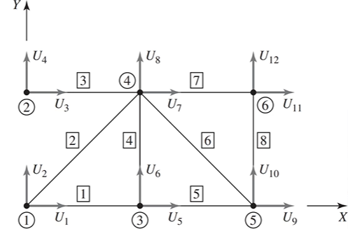
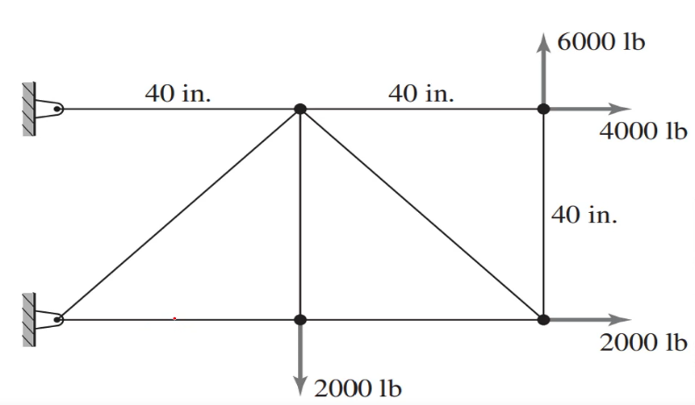

 | θ(rad) | A | E | L | k | c² | s² | sc | k*c² | k*s² | k*sc
Element 1 | 0.00 | 1.50 | 1.00E+07 | 40.00 | 3.75E+05 | 1.00 | 0.00 | 0.00 | 3.75E+05 | 0.00E+00 | 0.00E+00
Element 2 | 0.79 | 1.50 | 1.00E+07 | 55.87 | 2.69E+05 | 0.50 | 0.50 | 0.50 | 1.34E+05 | 1.34E+05 | 1.34E+05
Element 3 | 0.00 | 1.50 | 1.00E+07 | 40.00 | 3.75E+05 | 1.00 | 0.00 | 0.00 | 3.75E+05 | 0.00E+00 | 0.00E+00
Element 4 | 1.57 | 1.50 | 1.00E+07 | 40.00 | 3.75E+05 | 0.00 | 1.00 | 0.00 | 1.41E-27 | 3.75E+05 | 2.30E-11
Element 5 | 0.00 | 1.50 | 1.00E+07 | 40.00 | 3.75E+05 | 1.00 | 0.00 | 0.00 | 3.75E+05 | 0.00E+00 | 0.00E+00
Element 6 | 5.50 | 1.50 | 1.00E+07 | 55.87 | 2.69E+05 | 0.50 | 0.50 | -0.50 | 1.34E+05 | 1.34E+05 | -1.34E+05
Element 7 | 0.00 | 1.50 | 1.00E+07 | 40.00 | 3.75E+05 | 1.00 | 0.00 | 0.00 | 3.75E+05 | 0.00E+00 | 0.00E+00
Element 8 | 1.57 | 1.50 | 1.00E+07 | 40.00 | 3.75E+05 | 0.00 | 1.00 | 0.00 | 1.41E-27 | 3.75E+05 | 2.30E-11

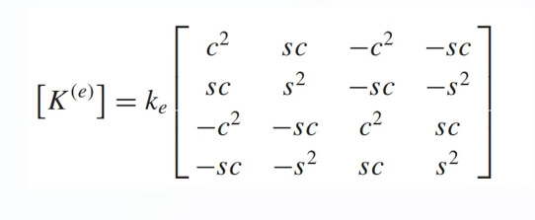

 | 1↓ | 2↓ | 5↓ | 6↓ |  |  | 1↓ | 2↓ | 7↓ | 8↓
 | K1 |  |  |  |  |  | K2
1→ | 3.75E+05 | 0.00E+00 | -3.75E+05 | 0.00E+00 |  | 1→ | 1.34E+05 | 1.34E+05 | -1.34E+05 | -1.34E+05
2→ | 0.00E+00 | 0.00E+00 | 0.00E+00 | 0.00E+00 |  | 2→ | 1.34E+05 | 1.34E+05 | -1.34E+05 | -1.34E+05
5→ | -3.75E+05 | 0.00E+00 | 3.75E+05 | 0.00E+00 |  | 7→ | -1.34E+05 | -1.34E+05 | 1.34E+05 | 1.34E+05
6→ | 0.00E+00 | 0.00E+00 | 0.00E+00 | 0.00E+00 |  | 8→ | -1.34E+05 | -1.34E+05 | 1.34E+05 | 1.34E+05

 | 3↓ | 4↓ | 7↓ | 8↓ |  |  | 5↓ | 6↓ | 7↓ | 8↓
 | K3 |  |  |  |  |  | K4
3→ | 3.75E+05 | 0.00E+00 | -3.75E+05 | 0.00E+00 |  | 5→ | 1.41E-27 | 2.30E-11 | -1.41E-27 | -2.30E-11
4→ | 0.00E+00 | 0.00E+00 | 0.00E+00 | 0.00E+00 |  | 6→ | 2.30E-11 | 3.75E+05 | -2.30E-11 | -3.75E+05
7→ | -3.75E+05 | 0.00E+00 | 3.75E+05 | 0.00E+00 |  | 7→ | -1.41E-27 | -2.30E-11 | 1.41E-27 | 2.30E-11
8→ | 0.00E+00 | 0.00E+00 | 0.00E+00 | 0.00E+00 |  | 8→ | -2.30E-11 | -3.75E+05 | 2.30E-11 | 3.75E+05

 | 5↓ | 6↓ | 9↓ | 10↓ |  |  | 9↓ | 10↓ | 7↓ | 8↓
 | K5 |  |  |  |  |  | K6
5→ | 3.75E+05 | 0.00E+00 | -3.75E+05 | 0.00E+00 |  | 9→ | 1.34E+05 | -1.34E+05 | -1.34E+05 | 1.34E+05
6→ | 0.00E+00 | 0.00E+00 | 0.00E+00 | 0.00E+00 |  | 10→ | -1.34E+05 | 1.34E+05 | 1.34E+05 | -1.34E+05
9→ | -3.75E+05 | 0.00E+00 | 3.75E+05 | 0.00E+00 |  | 7→ | -1.34E+05 | 1.34E+05 | 1.34E+05 | -1.34E+05
10→ | 0.00E+00 | 0.00E+00 | 0.00E+00 | 0.00E+00 |  | 8→ | 1.34E+05 | -1.34E+05 | -1.34E+05 | 1.34E+05

 | 7↓ | 8↓ | 11↓ | 12↓ |  |  | 9↓ | 10↓ | 11↓ | 12↓
 | K7 |  |  |  |  |  | K8
7→ | 3.75E+05 | 0.00E+00 | -3.75E+05 | 0.00E+00 |  | 9→ | 1.41E-27 | 2.30E-11 | -1.41E-27 | -2.30E-11
8→ | 0.00E+00 | 0.00E+00 | 0.00E+00 | 0.00E+00 |  | 10→ | 2.30E-11 | 3.75E+05 | -2.30E-11 | -3.75E+05
11→ | -3.75E+05 | 0.00E+00 | 3.75E+05 | 0.00E+00 |  | 11→ | -1.41E-27 | -2.30E-11 | 1.41E-27 | 2.30E-11
12→ | 0.00E+00 | 0.00E+00 | 0.00E+00 | 0.00E+00 |  | 12→ | -2.30E-11 | -3.75E+05 | 2.30E-11 | 3.75E+05

Kcc
Kca

Uc
Fc
 | K |  |  |  |  |  |  |  |  |  |  |  |  |  | U |  |  | F
 |  | 1 | 2 | 3 | 4 | 5 | 6 | 7 | 8 | 9 | 10 | 11 | 12
 | 1 | 5.09E+05 | 1.34E+05 | 0.00E+00 | 0.00E+00 | -3.75E+05 | 0.00E+00 | -1.34E+05 | -1.34E+05 | 0.00E+00 | 0.00E+00 | 0.00E+00 | 0.00E+00 |  | 0 | U1 |  | F1
 | 2 | 1.34E+05 | 1.34E+05 | 0.00E+00 | 0.00E+00 | 0.00E+00 | 0.00E+00 | -1.34E+05 | -1.34E+05 | 0.00E+00 | 0.00E+00 | 0.00E+00 | 0.00E+00 |  | 0 | U2 |  | F2
 | 3 | 0.00E+00 | 0.00E+00 | 3.75E+05 | 0.00E+00 | 0.00E+00 | 0.00E+00 | -3.75E+05 | 0.00E+00 | 0.00E+00 | 0.00E+00 | 0.00E+00 | 0.00E+00 |  | 0 | U3 |  | F3
 | 4 | 0.00E+00 | 0.00E+00 | 0.00E+00 | 0.00E+00 | 0.00E+00 | 0.00E+00 | 0.00E+00 | 0.00E+00 | 0.00E+00 | 0.00E+00 | 0.00E+00 | 0.00E+00 |  | 0 | U4 |  | F4
 | 5 | -3.75E+05 | 0.00E+00 | 0.00E+00 | 0.00E+00 | 7.50E+05 | 2.30E-11 | -1.41E-27 | -2.30E-11 | -3.75E+05 | 0.00E+00 | 0.00E+00 | 0.00E+00 |  | U5 |  |  | 0 | F1
 | 6 | 0.00E+00 | 0.00E+00 | 0.00E+00 | 0.00E+00 | 2.30E-11 | 3.75E+05 | -2.30E-11 | -3.75E+05 | 0.00E+00 | 0.00E+00 | 0.00E+00 | 0.00E+00 | X | U6 |  | = | -2000 | F2
 | 7 | -1.34E+05 | -1.34E+05 | -3.75E+05 | 0.00E+00 | -1.41E-27 | -2.30E-11 | 1.02E+06 | 2.30E-11 | -1.34E+05 | 1.34E+05 | -3.75E+05 | 0.00E+00 |  | U7 |  |  | 0 | F3
Ua
Fa
 | 8 | -1.34E+05 | -1.34E+05 | 0.00E+00 | 0.00E+00 | -2.30E-11 | -3.75E+05 | 2.30E-11 | 6.44E+05 | 1.34E+05 | -1.34E+05 | 0.00E+00 | 0.00E+00 |  | U8 |  |  | 0 | F4
 | 9 | 0.00E+00 | 0.00E+00 | 0.00E+00 | 0.00E+00 | -3.75E+05 | 0.00E+00 | -1.34E+05 | 1.34E+05 | 5.09E+05 | -1.34E+05 | -1.41E-27 | -2.30E-11 |  | U9 |  |  | 2000 | F5
 | 10 | 0.00E+00 | 0.00E+00 | 0.00E+00 | 0.00E+00 | 0.00E+00 | 0.00E+00 | 1.34E+05 | -1.34E+05 | -1.34E+05 | 5.09E+05 | -2.30E-11 | -3.75E+05 |  | U10 |  |  | 0 | F6
 | 11 | 0.00E+00 | 0.00E+00 | 0.00E+00 | 0.00E+00 | 0.00E+00 | 0.00E+00 | -3.75E+05 | 0.00E+00 | -1.41E-27 | -2.30E-11 | 3.75E+05 | 2.30E-11 |  | U11 |  |  | 4000 | F7
Kac
Kaa
 | 12 | 0.00E+00 | 0.00E+00 | 0.00E+00 | 0.00E+00 | 0.00E+00 | 0.00E+00 | 0.00E+00 | 0.00E+00 | -2.30E-11 | -3.75E+05 | 2.30E-11 | 3.75E+05 |  | U12 |  |  | 6000 | F8

 |  | Ua |  | [Kaa]^-1 |  |  |  |  |  |  |  |  | Fa |  | Kac |  |  |  |  | Uc
 | U5 | 0.0213333 |  | 2.67E-06 | -5.16E-22 | 2.69E-22 | -4.93E-22 | 2.67E-06 | 2.67E-06 | 3.27E-22 | 2.67E-06 |  | 0 |  | -3.75E+05 | 0.00E+00 | 0.00E+00 | 0.00E+00 |  | 0
 | U6 | 0.0404618 |  | -7.84E-22 | 1.28E-05 | -2.67E-06 | 1.01E-05 | -1.40E-21 | 1.28E-05 | -2.67E-06 | 1.28E-05 |  | -2000 |  | 0.00E+00 | 0.00E+00 | 0.00E+00 | 0.00E+00 |  | 0
 | U7 | -0.0160000 |  | 2.32E-22 | -2.67E-06 | 2.67E-06 | -2.67E-06 | 4.65E-22 | -5.33E-06 | 2.67E-06 | -5.33E-06 |  | 0 |  | -1.34E+05 | -1.34E+05 | -3.75E+05 | 0.00E+00 |  | 0
 | U8 | 0.0457952 | = | -6.20E-22 | 1.01E-05 | -2.67E-06 | 1.01E-05 | -1.24E-21 | 1.28E-05 | -2.67E-06 | 1.28E-05 | X | 0 | - | -1.34E+05 | -1.34E+05 | 0.00E+00 | 0.00E+00 | X | 0
 | U9 | 0.0426667 |  | 2.67E-06 | -8.69E-22 | 5.37E-22 | -9.87E-22 | 5.33E-06 | 5.33E-06 | 6.54E-22 | 5.33E-06 |  | 2000 |  | 0.00E+00 | 0.00E+00 | 0.00E+00 | 0.00E+00
 | U10 | 0.1491545 |  | 2.67E-06 | 1.28E-05 | -5.33E-06 | 1.28E-05 | 5.33E-06 | 3.09E-05 | -5.33E-06 | 3.09E-05 |  | 0 |  | 0.00E+00 | 0.00E+00 | 0.00E+00 | 0.00E+00
 | U11 | -0.0053333 |  | 1.87E-22 | -2.67E-06 | 2.67E-06 | -2.67E-06 | 3.74E-22 | -5.33E-06 | 5.33E-06 | -5.33E-06 |  | 4000 |  | 0.00E+00 | 0.00E+00 | 0.00E+00 | 0.00E+00
 | U12 | 0.1651545 |  | 2.67E-06 | 1.28E-05 | -5.33E-06 | 1.28E-05 | 5.33E-06 | 3.09E-05 | -5.33E-06 | 3.36E-05 |  | 6000 |  | 0.00E+00 | 0.00E+00 | 0.00E+00 | 0.00E+00

 |  | Fc |  | Kcc |  |  |  |  | Uc |  | Kca |  |  |  |  |  |  |  |  | Ua
 | F1 | -12000.00 |  | 5.09E+05 | 1.34E+05 | 0.00E+00 | 0.00E+00 |  | 0 |  | -3.75E+05 | 0.00E+00 | -1.34E+05 | -1.34E+05 | 0.00E+00 | 0.00E+00 | 0.00E+00 | 0.00E+00 |  | 0.0213333
 | F2 | -4000.00 |  | 1.34E+05 | 1.34E+05 | 0.00E+00 | 0.00E+00 |  | 0 |  | 0.00E+00 | 0.00E+00 | -1.34E+05 | -1.34E+05 | 0.00E+00 | 0.00E+00 | 0.00E+00 | 0.00E+00 |  | 0.0404618
 | F3 | 6000.00 | = | 0.00E+00 | 0.00E+00 | 3.75E+05 | 0.00E+00 | X | 0 | + | 0.00E+00 | 0.00E+00 | -3.75E+05 | 0.00E+00 | 0.00E+00 | 0.00E+00 | 0.00E+00 | 0.00E+00 | X | -0.0160000
 | F4 | 0.00 |  | 0.00E+00 | 0.00E+00 | 0.00E+00 | 0.00E+00 |  | 0 |  | 0.00E+00 | 0.00E+00 | 0.00E+00 | 0.00E+00 | 0.00E+00 | 0.00E+00 | 0.00E+00 | 0.00E+00 |  | 0.0457952
 |  |  |  |  |  |  |  |  |  |  |  |  |  |  |  |  |  |  |  | 0.0426667
 |  |  |  |  |  |  |  |  |  |  |  |  |  |  |  |  |  |  |  | 0.1491545
 |  |  |  |  |  |  |  |  |  |  |  |  |  |  |  |  |  |  |  | -0.0053333
 |  |  |  |  |  |  |  |  |  |  |  |  |  |  |  |  |  |  |  | 0.1651545

 |  |  | EQUILIBRIUM VERIFICATION
 |  |  | Sum of all forces in the global X direction |  |  | 0.00 | OK
 |  |  | Sum of all forces in the global Y direction |  |  | 0.00 | OK

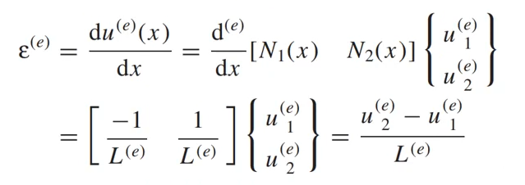
 |  |  | u1 | u2 | u2-u1 | L | Strain | E | Stress | Force
 |  | Element 1 | 0.00 | 0.02 | 0.02133 | 40.00 | 5.33E-04 | 1.00E+07 | 5333.33 | 8000.00
 |  | Element 2 | 0.00 | 0.02 | 0.02107 | 55.87 | 3.77E-04 | 1.00E+07 | 3771.24 | 5656.85
 |  | Element 3 | 0.00 | -0.02 | -0.01600 | 40.00 | -4.00E-04 | 1.00E+07 | -4000.00 | -6000.00
 |  | Element 4 | 0.04 | 0.05 | 0.00533 | 40.00 | 1.33E-04 | 1.00E+07 | 1333.33 | 2000.00
 |  | Element 5 | 0.02 | 0.04 | 0.02133 | 40.00 | 5.33E-04 | 1.00E+07 | 5333.33 | 8000.00
 |  | Element 6 | -0.08 | -0.04 | 0.03160 | 55.87 | 5.66E-04 | 1.00E+07 | 5656.85 | 8485.28
 |  | Element 7 | -0.02 | -0.01 | 0.01067 | 40.00 | 2.67E-04 | 1.00E+07 | 2666.67 | 4000.00
 |  | Element 8 | 0.15 | 0.17 | 0.01600 | 40.00 | 4.00E-04 | 1.00E+07 | 4000.00 | 6000.00

 |  |  |  |  |  |  |  |  |  |  |  |  |  |  |  |  |  |  |  |  | x

